Men
NY Product |  |  |  |  |  |  | 胸围 | 腰围 | 肩宽 | 臀围 | 衣长 | 袖长 | 裤长 | 大腿 | 裤脚宽
Number | Picture | Color | Size | Quantity | Price |  | Chest | Waist | Shoulder | Hip | Length | Length sleeve | Height | Thigh circumference | Pants wide
61002T | 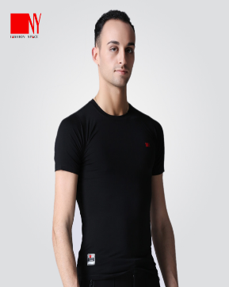 | Black | S | 6 | €30.00 |  | 80 |  | 39 |  | 68
 |  |  | M | 5 | €30.00 |  | 84 |  | 40 |  | 69
 |  |  | L | 12 | €30.00 |  | 88 |  | 41 |  | 70
 |  |  | XL | 8 | €30.00 |  | 92 |  | 42 |  | 71
 |  |  | 2XL | 9 | €30.00 |  | 96 |  | 43 |  | 72
 |  |  | 3XL | 10 | €30.00 |  | 100 |  | 44 |  | 73
186971T | 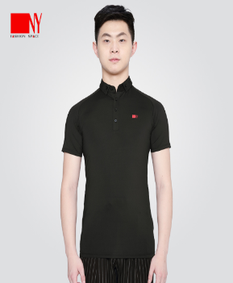 | Black | S | 1 | €40.00 |  | 82 | 80 |  |  | 67 | 12
 |  |  | M | 0 | €40.00 |  | 86 | 84 |  |  | 68 | 12
 |  |  | L | 0 | €40.00 |  | 90 | 88 |  |  | 69 | 12.5
 |  |  | XL | 0 | €40.00 |  | 94 | 92 |  |  | 70 | 12.5
 |  |  | 2XL | 27 | €40.00 |  | 98 | 96 |  |  | 71 | 13
 |  |  | 3XL | 36 | €40.00 |  | 102 | 100 |  |  | 72 | 13
16171-2 | 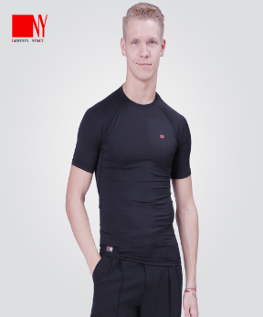 | Black | S | 10 | €30.00 |  | 72 | 66 |  |  | 64 | 13
 |  |  | M | 6 | €30.00 |  | 76 | 70 |  |  | 65 | 14
 |  |  | L | 8 | €30.00 |  | 80 | 74 |  |  | 66 | 15
 |  |  | XL | 8 | €30.00 |  | 84 | 78 |  |  | 67 | 16
 |  |  | 2XL | 8 | €30.00 |  | 88 | 82 |  |  | 68 | 17
 |  |  | 3XL | 10 | €30.00 |  | 92 | 86 |  |  | 69 | 18
17302SP | 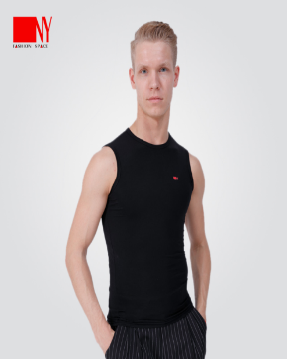 | Black | S | 8 | €30.00 |  | 74 |  | 38 |  | 61
 |  |  | M | 6 | €30.00 |  | 78 |  | 39 |  | 62
 |  |  | L | 4 | €30.00 |  | 82 |  | 40 |  | 63
 |  |  | XL | 2 | €30.00 |  | 86 |  | 41 |  | 64
 |  |  | 2XL | 5 | €30.00 |  | 90 |  | 42 |  | 65
 |  |  | 3XL | 5 | €30.00 |  | 94 |  | 43 |  | 66
20199T | 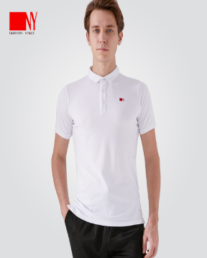 | White | S | 0 | €40.00 |  | 84 | 78 |  |  | 70 | 18
 |  |  | M | 0 | €40.00 |  | 88 | 82 |  |  | 71 | 19
 |  |  | L | 0 | €40.00 |  | 92 | 86 |  |  | 72 | 20
 |  |  | XL | 0 | €40.00 |  | 96 | 90 |  |  | 73 | 21
 |  |  | 2XL | 0 | €40.00 |  | 100 | 94 |  |  | 74 | 22
 |  |  | 3XL | 0 | €40.00 |  | 104 | 98 |  |  | 75 | 23
20199T | 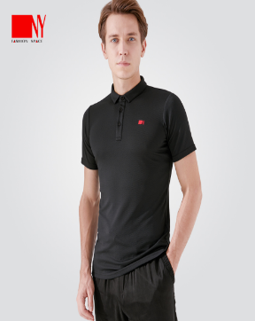 | Black | S |  | €40.00 |  | 84 | 78 |  |  | 70 | 18
 |  |  | M |  | €40.00 |  | 88 | 82 |  |  | 71 | 19
 |  |  | L | 5 | €40.00 |  | 92 | 86 |  |  | 72 | 20
 |  |  | XL | 7 | €40.00 |  | 96 | 90 |  |  | 73 | 21
 |  |  | 2XL | 7 | €40.00 |  | 100 | 94 |  |  | 74 | 22
 |  |  | 3XL | 4 | €40.00 |  | 104 | 98 |  |  | 75 | 23
20199T | 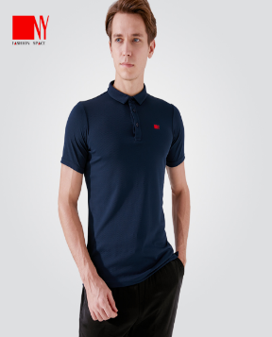 | Blue | S | 7 | €40.00 |  | 84 | 78 |  |  | 70 | 18
 |  |  | M | 8 | €40.00 |  | 88 | 82 |  |  | 71 | 19
 |  |  | L | 6 | €40.00 |  | 92 | 86 |  |  | 72 | 20
 |  |  | XL |  | €40.00 |  | 96 | 90 |  |  | 73 | 21
 |  |  | 2XL | 14 | €40.00 |  | 100 | 94 |  |  | 74 | 22
 |  |  | 3XL | 15 | €40.00 |  | 104 | 98 |  |  | 75 | 23
20199T-1 | 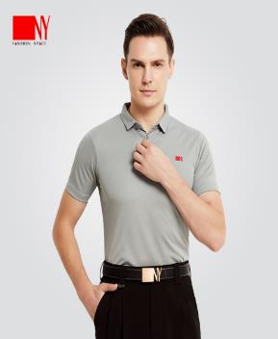 | Grey | S | 11 | €40.00 |  | 84 | 78 |  |  | 70 | 18
 |  |  | M | 12 | €40.00 |  | 88 | 82 |  |  | 71 | 19
 |  |  | L | 10 | €40.00 |  | 92 | 86 |  |  | 72 | 20
 |  |  | XL | 14 | €40.00 |  | 96 | 90 |  |  | 73 | 21
 |  |  | 2XL | 9 | €40.00 |  | 100 | 94 |  |  | 74 | 22
 |  |  | 3XL | 10 | €40.00 |  | 104 | 98 |  |  | 75 | 23
161747 | 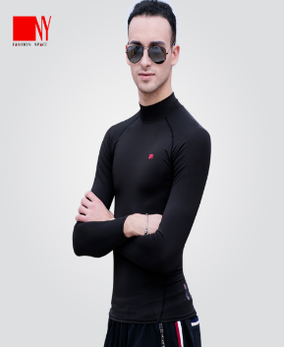 | Black | S | 4 | €35.00 |  | 84 |  |  |  | 64
 |  |  | M | 2 | €35.00 |  | 88 |  |  |  | 64
 |  |  | L | 2 | €35.00 |  | 92 |  |  |  | 66
 |  |  | XL | 10 | €35.00 |  | 96 |  |  |  | 67
 |  |  | 2XL | 3 | €35.00 |  | 100 |  |  |  | 68.5
 |  |  | 3XL | 1 | €35.00 |  | 104 |  |  |  | 70
18105JLB | 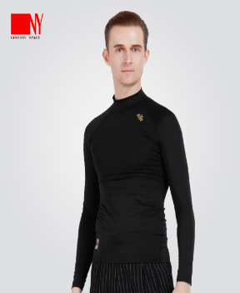 | Black | S | 14 | €35.00 |  | 84 |  |  |  | 64
 |  |  | M | 23 | €35.00 |  | 88 |  |  |  | 64
 |  |  | L | 26 | €35.00 |  | 92 |  |  |  | 66
 |  |  | XL | 13 | €35.00 |  | 96 |  |  |  | 67
 |  |  | 2XL | 8 | €35.00 |  | 100 |  |  |  | 68.5
 |  |  | 3XL | 6 | €35.00 |  | 104 |  |  |  | 70
21115T | 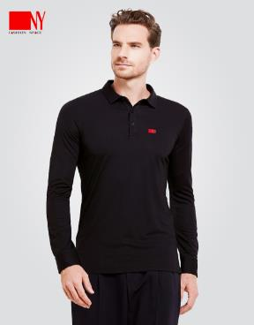 | Black | S | 12 | €45.00 |  | 87 | 84 |  |  | 69 | 59
 |  |  | M | 7 | €45.00 |  | 91 | 88 |  |  | 70 | 60
 |  |  | L | 7 | €45.00 |  | 95 | 92 |  |  | 71 | 61
 |  |  | XL | 3 | €45.00 |  | 99 | 96 |  |  | 72 | 62
 |  |  | 2XL | 11 | €45.00 |  | 103 | 100 |  |  | 73 | 63
 |  |  | 3XL | 10 | €45.00 |  | 107 | 104 |  |  | 74 | 64
16610S-A | 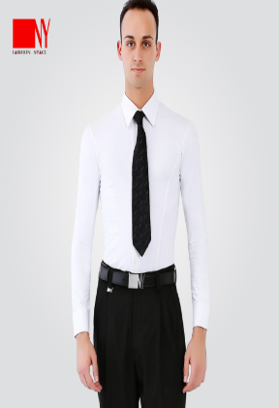 | White | 37 | 15 | €70.00 |  | 85 |  |  |  | 72
 |  |  | 38 | 10 | €70.00 |  | 86 |  |  |  | 73
 |  |  | 39 | 12 | €70.00 |  | 87 |  |  |  | 74
 |  |  | 40 | 8 | €70.00 |  | 88 |  |  |  | 75
 |  |  | 41 | 8 | €70.00 |  | 89 |  |  |  | 76
 |  |  | 42 | 13 | €70.00 |  | 90 |  |  |  | 77
 |  |  | 43 | 17 | €70.00
 |  |  | 44 | 5 | €70.00 |  | 95 |  |  |  | 78
16610S-A |  | Black | 37 | 23 | €70.00
 |  |  | 38 | 17 | €70.00
 |  |  | 39 | 11 | €70.00
 |  |  | 40 | 2 | €70.00
 |  |  | 41 | 13 | €70.00
 |  |  | 42 | 14 | €70.00
 |  |  | 43 | 23 | €70.00
 |  |  | 44 | 11 | €70.00
21113C | 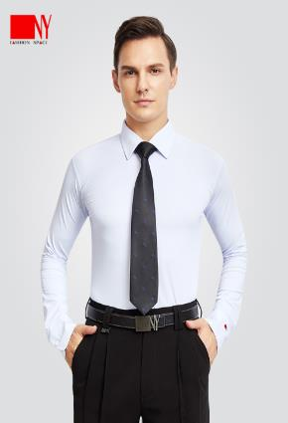 | White | 37 | 4 | €70.00 | Loose version
 |  |  | 38 | 2 | €70.00
 |  |  | 39 | 3 | €70.00
 |  |  | 40 | 0 | €70.00
 |  |  | 41 | 2 | €70.00
 |  |  | 42 | 4 | €70.00
 |  |  | 43 | 1 | €70.00
21113C | 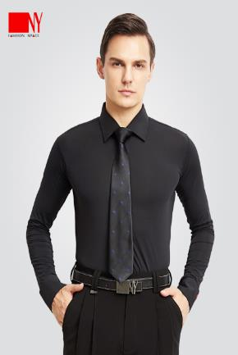 | Black | 37 | 4 | €70.00 | Loose version
 |  |  | 38 | 3 | €70.00
 |  |  | 39 | 4 | €70.00
 |  |  | 40 | 5 | €70.00
 |  |  | 41 | 5 | €70.00
 |  |  | 42 | 4 | €70.00
 |  |  | 43 | 4 | €70.00
91003C | 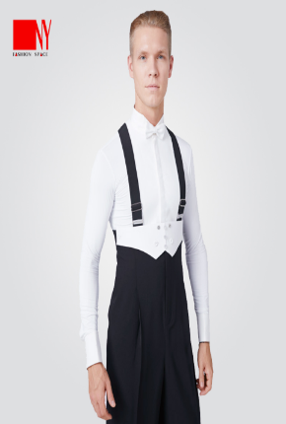 | White | 37 | 3 | €70.00 | 3.5cm collar
 |  |  | 38 | 2 | €70.00
 |  |  | 39 | 2 | €70.00
 |  |  | 40 | 9 | €70.00
 |  |  | 41 | 8 | €70.00
 |  |  | 42 | 6 | €70.00
 |  |  | 43 | 11 | €70.00
91003C | 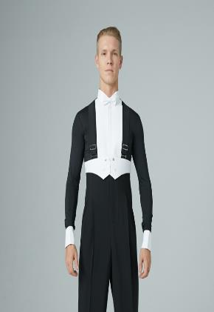 | Black | 37 | 5 | €70.00 | 3.5cm collar
 |  |  | 38 | 5 | €70.00
 |  |  | 39 | 0 | €70.00
 |  |  | 40 | 6 | €70.00
 |  |  | 41 | 4 | €70.00
 |  |  | 42 | 8 | €70.00
 |  |  | 43 | 10 | €70.00
24117S | 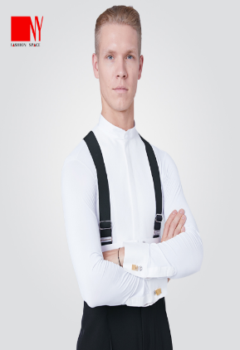 | White | 37 | 12 | €70.00 | No collar
 |  |  | 38 | 11 | €70.00
 |  |  | 39 | 20 | €70.00
 |  |  | 40 | 12 | €70.00
 |  |  | 41 | 16 | €70.00
 |  |  | 42 | 10 | €70.00
 |  |  | 43 | 14 | €70.00
 |  |  | 44 | 14 | €70.00
24117S | 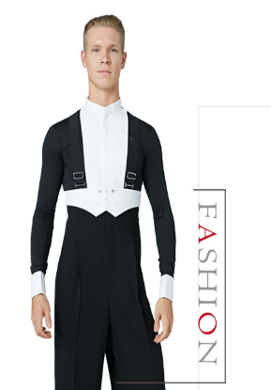 | Black | 37 | 3 | €70.00 | No collar
 |  |  | 38 | 4 | €70.00
 |  |  | 39 | 2 | €70.00
 |  |  | 40 | 2 | €70.00
 |  |  | 41 | 6 | €70.00
 |  |  | 42 | 9 | €70.00
 |  |  | 43 | 8 | €70.00
 |  |  | 44 | 7 | €70.00
20102C | 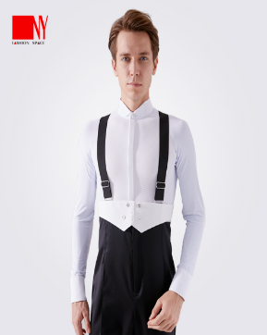 | White | 37 | 2 | €70.00 | 3.5cm collar (Front ultra-thin fabric)
 |  |  | 38 | 2 | €70.00
 |  |  | 39 | 1 | €70.00
 |  |  | 40 | 0 | €70.00
 |  |  | 41 | 1 | €70.00
 |  |  | 42 | 0 | €70.00
20102C |  | Black | 37 | 2 | €70.00 | 3.5cm collar (Front ultra-thin fabric)
 |  |  | 38 | 0 | €70.00
 |  |  | 39 | 0 | €70.00
 |  |  | 40 | 0 | €70.00
 |  |  | 41 | 2 | €70.00
 |  |  | 42 | 1 | €70.00
21116C | 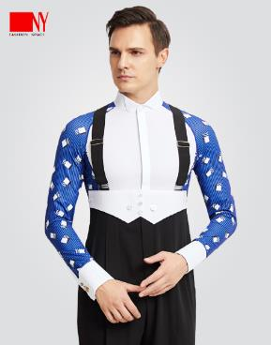 | Blue | 37 | 0 | €70.00 | 3.5cm collar (Front ultra-thin fabric)
 |  |  | 38 | 0 | €70.00
 |  |  | 39 | 0 | €70.00
 |  |  | 40 | 0 | €70.00
 |  |  | 41 | 0 | €70.00
 |  |  | 42 | 0 | €70.00
21116C | 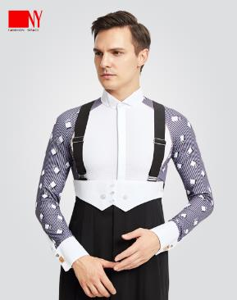 | Grey | 37 | 1 | €70.00 | 3.5cm collar (Front ultra-thin fabric)
 |  |  | 38 | 0 | €70.00
 |  |  | 39 | 0 | €70.00
 |  |  | 40 | 0 | €70.00
 |  |  | 41 | 1 | €70.00
 |  |  | 42 | 0 | €70.00
23115MJ | 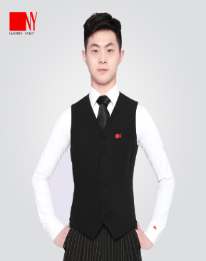 | Black | XS | 18 | €60.00 |  | 80 |  |  |  | (After)48-56(Before)
 |  |  | S | 12 | €60.00 |  | 84 |  |  |  | (After)49-58(Before)
 |  |  | M | 7 | €60.00 |  | 88 |  |  |  | (After)50-60(Before)
 |  |  | L | 8 | €60.00 |  | 82 |  |  |  | (After)51-62(Before)
 |  |  | XL | 6 | €60.00 |  | 96 |  |  |  | (After)52-64(Before)
 |  |  | 2XL | 20 | €60.00 |  | 100 |  |  |  | (After)53-66(Before)
16632SP-A | 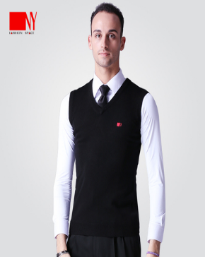 | Black | XS | 19 | €50.00 |  | 86 |  | 36 |  | 60
 |  |  | S | 3 | €50.00 |  | 88 |  | 36 |  | 60.5
 |  |  | M | 0 | €50.00 |  | 92 |  | 37 |  | 61.5
 |  |  | L |  | €50.00 |  | 96 |  | 38 |  | 62
 |  |  | XL | 14 | €50.00 |  | 98 |  | 39 |  | 62
 |  |  | 2XL | 34 | €50.00 |  | 100 |  | 40 |  | 64
21104MJ | 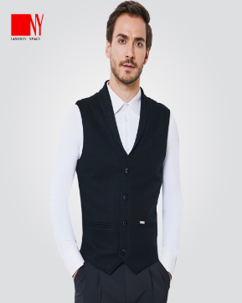 | Black | S | 0 | €70.00 |  | 85 |  | 36.5 |  | 52.5
 |  |  | M | 0 | €70.00 |  | 91 |  | 38 |  | 56
 |  |  | L | 0 | €70.00 |  | 94 |  | 40 |  | 58
 |  |  | XL | 0 | €70.00 |  | 99 |  | 41.5 |  | 59
 |  |  | 2XL | 0 | €70.00 |  | 103 |  | 43.5 |  | 61.5
 |  |  | 3XL | 0 | €70.00
21117MJ | 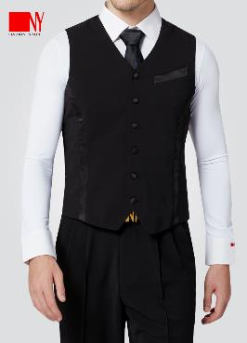 | Black | S | 5 | €70.00
 |  |  | M | 4 | €70.00
 |  |  | L | 5 | €70.00
 |  |  | XL | 5 | €70.00
 |  |  | 2XL | 5 | €70.00
 |  |  | 3XL | 3 | €70.00
NY21112K | 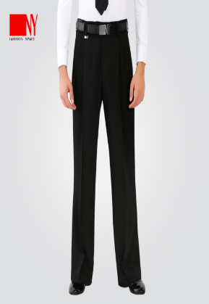 |  | 42 | 2 | €78.00 |  |  | 74 |  | 82 |  | 107 |  | 59 | 24
 |  |  | 44 | 2 | €78.00 |  |  | 78 |  | 82 |  | 109 |  | 64 | 24
 |  |  | 46 | 0 | €78.00 |  |  | 82 |  | 84 |  | 111 |  | 67 | 24
 |  |  | 48 |  | €78.00 |  |  | 86 |  | 90 |  | 113 |  | 70 | 24.5
 |  |  | 50 | 12 | €78.00 |  |  | 90 |  | 96 |  | 115 |  | 70 | 25
 |  |  | 52 | 12 | €78.00 |  |  | 94 |  | 106 |  | 117 |  | 74 | 25
16555NK | 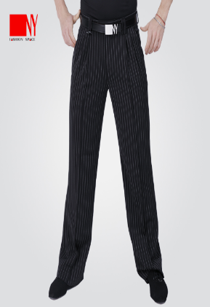 | Stripe | 40 | 3 | €70.00 |  |  | 70 |  | 90 |  | 105 |  |  | 23
 |  |  | 42 | 2 | €70.00 |  |  | 74 |  | 94 |  | 107 |  |  | 24
 |  |  | 44 | 3 | €70.00 |  |  | 78 |  | 98 |  | 109 |  |  | 25
 |  |  | 46 | 4 | €70.00 |  |  | 82 |  | 102 |  | 111 |  |  | 26
 |  |  | 48 | 2 | €70.00 |  |  | 86 |  | 106 |  | 113 |  |  | 27
 |  |  | 50 | 5 | €70.00 |  |  | 90 |  | 110 |  | 115 |  |  | 28
 |  |  | 52 | 7 | €70.00 |  |  | 94 |  | 114 |  | 117 |  |  | 29
91001K | 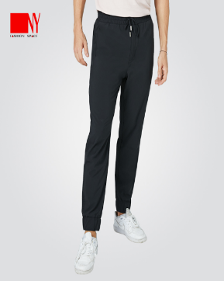 | Black | S | 4 | €70.00
 |  |  | M | 2 | €70.00
 |  |  | L | 2 | €70.00
 |  |  | XL | 4 | €70.00
 |  |  | 2XL | 2 | €70.00
 |  |  | 3XL | 5 | €70.00
20103K | 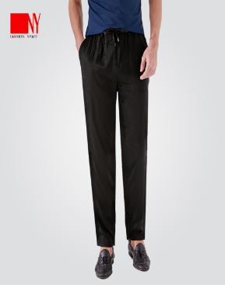 | Black | S | 0 | €60.00
 |  |  | M | 0 | €60.00
 |  |  | L | 0 | €60.00
 |  |  | XL | 0 | €60.00
 |  |  |  | 0
 |  |  |  | 0
21105K | 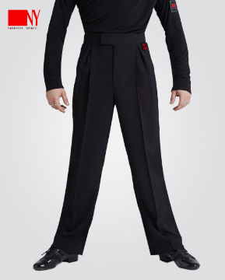 | Black | XS | 2 | €78.00
 |  |  | S | 1 | €78.00
 |  |  | M | 4 | €78.00
 |  |  | L | 10 | €78.00
 |  |  | XL | 9 | €78.00
 |  |  | 2XL | 10 | €78.00
 |  |  | 3XL | 13 | €78.00
202201T | 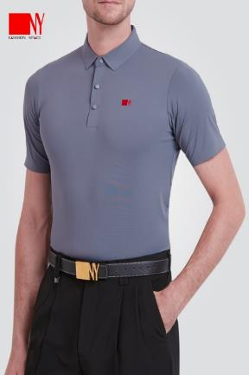 |  | S | 1 | €45.00 |  | 84 | 80 |  |  | 66 |  | 19
 |  |  | M | 0 | €45.00 |  | 88 | 84 |  |  | 67 |  | 20
 |  |  | L | 7 | €45.00 |  | 92 | 88 |  |  | 68 |  | 21
 |  |  | XL | 12 | €45.00 |  | 96 | 92 |  |  | 69 |  | 22
 |  |  | 2XL | 18 | €45.00 |  | 100 | 96 |  |  | 70 |  | 23
 |  |  | 3XL | 16 | €45.00 |  | 104 | 100 |  |  | 71 |  | 24
 |  |  |  | 0
22111MJ | 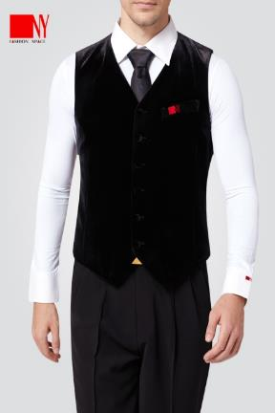 |  | XS | 0 | €70.00 |  | 80 |  |  |  | (After)48-56(Before)
 |  |  | S | 0 | €70.00 |  | 84 |  |  |  | (After)49-58(Before)
 |  |  | M | 0 | €70.00 |  | 88 |  |  |  | (After)50-60(Before)
 |  |  | L | 0 | €70.00 |  | 92 |  |  |  | (After)51-62(Before)
 |  |  | XL | 0 | €70.00 |  | 96 |  |  |  | (After)52-64(Before)
 |  |  | 2XL | 0 | €70.00 |  | 100 |  |  |  | (After)53-66(Before)
 |  |  | 3XL | 0 | €70.00 |  | 104 |  |  |  | (After)54-68(Before)
22112T | 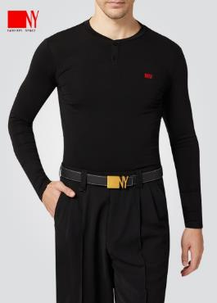 |  | S | 0 | €40.00 |  | 86 | 80 | 38 |  | 64 | 57
 |  |  | M | 0 | €40.00 |  | 90 | 84 | 39 |  | 65 | 58
 |  |  | L | 0 | €40.00 |  | 94 | 88 | 40 |  | 66 | 59
 |  |  | XL | 0 | €40.00 |  | 98 | 92 | 41 |  | 67 | 60
 |  |  | 2XL | 0 | €40.00 |  | 102 | 94 | 42 |  | 68 | 61
 |  |  | 3XL | 0 | €40.00 |  | 106 | 98 | 43 |  | 69 | 62
22113T | 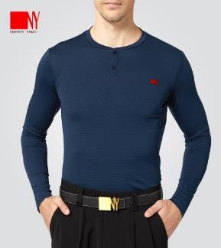 |  | S | 0 | €40.00 |  | 86 | 80 | 38 |  | 64 | 57
 |  |  | M | 0 | €40.00 |  | 90 | 84 | 39 |  | 65 | 58
 |  |  | L | 0 | €40.00 |  | 94 | 88 | 40 |  | 66 | 59
 |  |  | XL | 0 | €40.00 |  | 98 | 92 | 41 |  | 67 | 60
 |  |  | 2XL | 0 | €40.00 |  | 102 | 94 | 42 |  | 68 | 61
 |  |  | 3XL | 0 | €40.00 |  | 106 | 98 | 43 |  | 69 | 62
22114MJ | 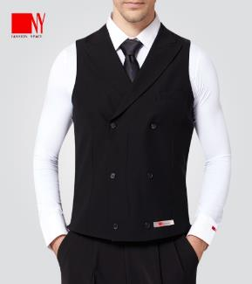 |  | XS | 1 | €75.00 |  | 86 | 75.5 | 27.9 |  | (After) 50.3-57.4 (Before)
 |  |  | S | 2 | €75.00 |  | 90 | 79.5 | 29.6 |  | (After) 51.3-58.4 (Before)
 |  |  | M | 4 | €75.00 |  | 94 | 83.5 | 31.3 |  | (After) 52.3-59.4 (Before)
 |  |  | L | 2 | €75.00 |  | 98 | 87.5 | 32.7 |  | (After) 53.3-60.4 (Before)
 |  |  | XL | 4 | €75.00 |  | 102 | 91.5 | 35.5 |  | (After) 54.3-61.4 (Before)
 |  |  | 2XL | 2 | €75.00 |  | 106 | 95.5 | 36.9 |  | (After) 55.3-62.4 (Before)
 |  |  | 3XL | 2 | €75.00 |  | 110 | 99.5 | 38.3 |  | (After) 56.3-63.4 (Before)
23101S | 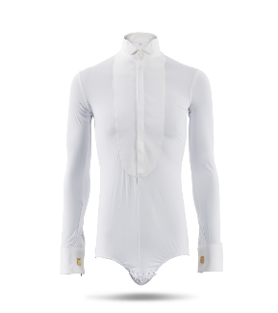 | White | 37 | 1 | €70.00 | 2.8cm collar
 |  |  | 38 | 1 | €70.00
 |  |  | 39 |  | €70.00
 |  |  | 40 | 1 | €70.00
 |  |  | 41 | 1 | €70.00
 |  |  | 42 | 1 | €70.00
23101S | 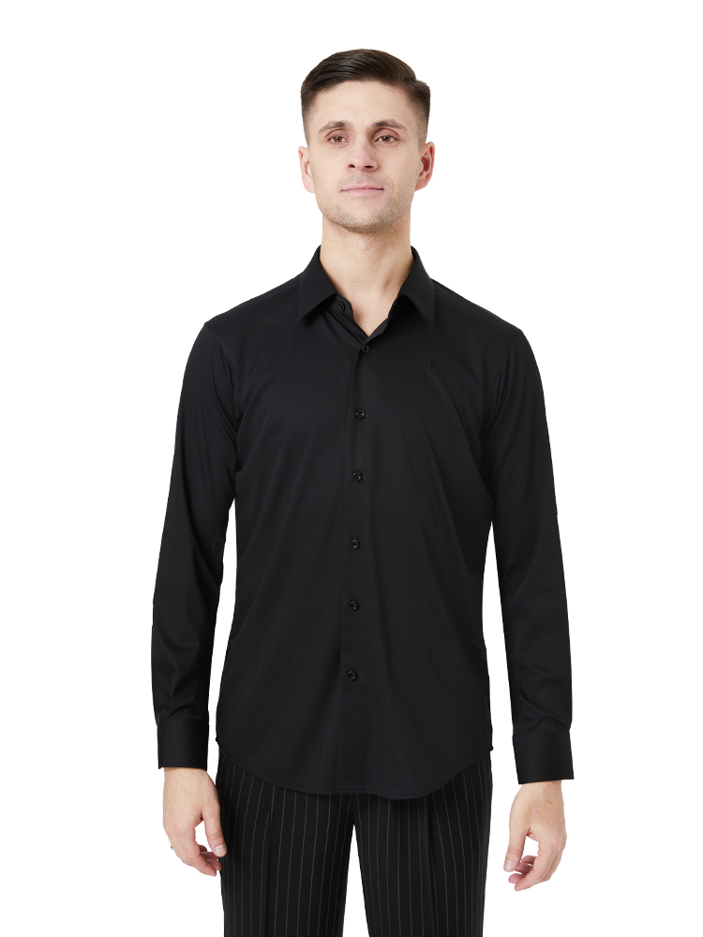 | Black | 37 | 1 | €70.00 | 2.8cm collar
 |  |  | 38 |  | €70.00
 |  |  | 39 | 0 | €70.00
 |  |  | 40 |  | €70.00
 |  |  | 41 | 1 | €70.00
 |  |  | 42 | 1 | €70.00
22118K | 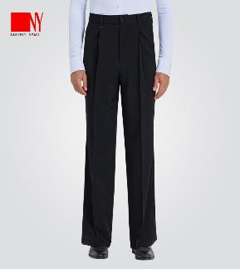 |  | 40 | 0 | €70.00 | Elastic waist headband (Simple fold) |  | 59-69 |  | 94 |  |  | 101.5 |  | 48.4
 |  |  | 42 | 0 | €70.00 |  |  | 63-73 |  | 97 |  |  | 102.5 |  | 49.2
 |  |  | 44 | 0 | €70.00 |  |  | 67-77 |  | 101 |  |  | 103.5 |  | 50
 |  |  | 46 | 0 | €70.00 |  |  | 71-81 |  | 105 |  |  | 104.5 |  | 50.8
 |  |  | 48 | 0 | €70.00 |  |  | 75-85 |  | 109 |  |  | 105.5 |  | 51.6
 |  |  | 50 | 0 | €70.00 |  |  | 79-89 |  | 113 |  |  | 106.5 |  | 52.4
 |  |  | 52 | 0 | €70.00 |  |  | 83-93 |  | 117 |  |  | 107.5 |  | 53.2
22119K | 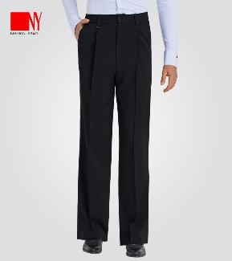 |  | 40 | 2 | €70.00 | Elastic waist headband (Double pleated pants) |  | 59-69 |  | 98 |  |  | 102.5
 |  |  | 42 | 0 | €70.00 |  |  | 63-73 |  | 102 |  |  | 103.5
 |  |  | 44 | 0 | €70.00 |  |  | 67-77 |  | 106 |  |  | 104.5
 |  |  | 46 | 0 | €70.00 |  |  | 71-81 |  | 110 |  |  | 105.5
 |  |  | 48 | 0 | €70.00 |  |  | 75-85 |  | 114 |  |  | 106.5
 |  |  | 50 | 1 | €70.00 |  |  | 79-89 |  | 118 |  |  | 107.5
 |  |  | 52 | 1 | €70.00 |  |  | 83-93 |  | 122 |  |  | 108.5
21106K | 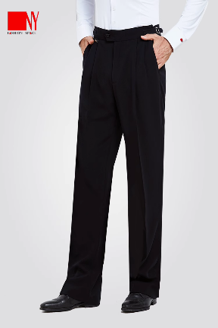 |  | 40 | 0 | €75.00
 |  |  | 42 | 1 | €75.00
 |  |  | 44 | 0 | €75.00
 |  |  | 46 | 0 | €75.00
 |  |  | 48 | 1 | €75.00
 |  |  | 50 | 1 | €75.00
 |  |  | 52 | 2 | €75.00
91009C | 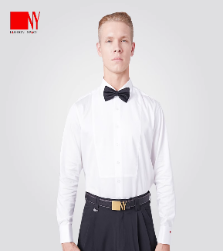 | White | 38 | 0 | €90.00
 |  |  | 39 | 0 | €90.00
 |  |  | 40 | 0 | €90.00
 |  |  | 41 | 0 | €90.00
 |  |  | 42 | 0 | €90.00
 |  |  | 43 | 0 | €90.00
WK1333 | 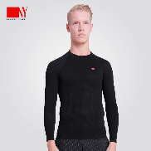 | Black | M | 0 | €100.00
 |  |  | L | 0 | €100.00
 |  |  | XL | 0 | €100.00
23108S | 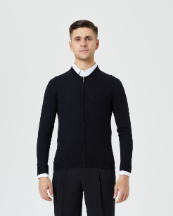 | Black | S | 0 | €100.00 |  | 90 | 84 |  |  | 61 | 59
 |  |  | M | 0 | €100.00 |  | 94 | 88 |  |  | 62.5 | 61
 |  |  | L | 0 | €100.00 |  | 98 | 92 |  |  | 64 | 63
 |  |  | XL | 0 | €100.00 |  | 102 | 96 |  |  | 66.5 | 65
 |  |  | 2XL | 0 | €100.00 |  | 104 | 100 |  |  | 68 | 67
23109S | 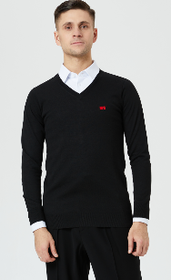 | Black | S | 0 | €100.00
 |  |  | M | 0 | €100.00 |  | 94 | 92 |  |  | 69 | 59
 |  |  | L | 0 | €100.00 |  | 98 | 96 |  |  | 71 | 61
 |  |  | XL | 0 | €100.00 |  | 102 | 100 |  |  | 73 | 63
 |  |  | 2XL | 0 | €100.00 |  | 106 | 104 |  |  | 75 | 65
23110S | 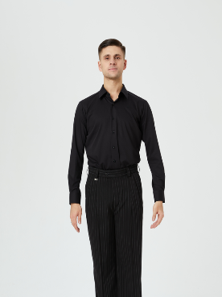 | Black | 37 | 2 | €70.00
 |  |  | 38 | 3 | €70.00
 |  |  | 39 | 1 | €70.00
 |  |  | 40 | 4 | €70.00
 |  |  | 41 | 4 | €70.00
 |  |  | 42 | 3 | €70.00
23110S | 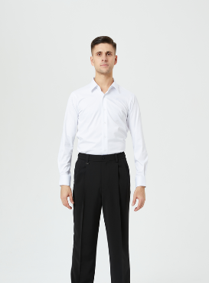 | White | 37 | 1 | €70.00
 |  |  | 38 | 3 | €70.00
 |  |  | 39 | 2 | €70.00
 |  |  | 40 | 5 | €70.00
 |  |  | 41 | 2 | €70.00
 |  |  | 42 | 5 | €70.00
23117K | 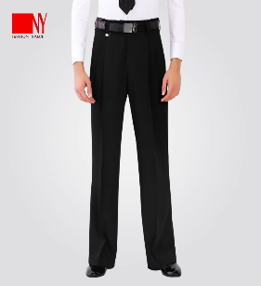 |  | 44 | 1 | €70.00 |  |  | 79 |  | 111 |  |  | 111 |  | 51.6
 |  |  | 46 | 1 | €70.00 |  |  | 83 |  | 115 |  |  | 113 |  | 53.2
 |  |  | 48 | 2 | €70.00 |  |  | 87 |  | 119 |  |  | 114 |  | 54.8
 |  |  | 50 | 2 | €70.00 |  |  | 91 |  | 123 |  |  | 115 |  | 56.4
 |  |  | 52 | 2 | €70.00 |  |  | 95 |  | 127 |  |  | 116 |  | 58
24107S | 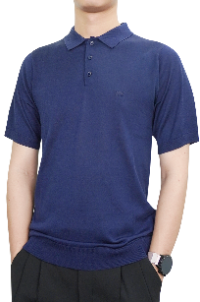 | Sapphire blue | M | 0 | €60.00
 |  |  | L | 0 | €60.00
 |  |  | XL | 0 | €60.00
 |  |  | 2XL | 0 | €60.00
 |  |  | 3XL | 0 | €60.00
24107S | 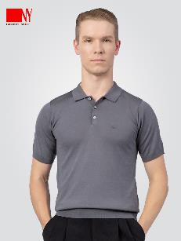 | Grey | M | 0 | €60.00
 |  |  | L | 0 | €60.00
 |  |  | XL | 0 | €60.00
 |  |  | 2XL | 0 | €60.00
 |  |  | 3XL | 0 | €60.00
23118C |  | White | 37 | 0 | €70.00 | Low collar (2.8cm) (Front ultra-thin fabric)
 |  |  | 38 | 0 | €70.00
 |  |  | 39 | 0 | €70.00
 |  |  | 40 | 0 | €70.00
 |  |  | 41 | 0 | €70.00
 |  |  | 42 | 0 | €70.00
 |  |  | 43 | 0 | €70.00
23118C |  | Black | 37 | 0 | €70.00 | Low collar (2.8cm) (Front ultra-thin fabric)
 |  |  | 38 | 0 | €70.00
 |  |  | 39 | 0 | €70.00
 |  |  | 40 | 0 | €70.00
 |  |  | 41 | 0 | €70.00
 |  |  | 42 | 0 | €70.00
 |  |  | 43 | 0 | €70.00
23122S | 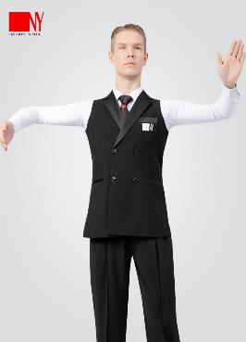 | Black | S | 1 | €150.00
 |  |  | M | 1 | €150.00
 |  |  | L | 0 | €150.00
 |  |  | XL | 1 | €150.00
 |  |  | 2XL | 2 | €150.00
 |  |  | 3XL | 2 | €150.00
24123S |  | Black | M | 2 | €200.00
 |  |  | L |  | €200.00
 |  |  | XL | 1 | €200.00
 |  |  | 2XL | 2 | €200.00
 |  |  | 3XL | 2 | €200.00
24124K |  | Black | 42 | 2 | €90.00
 |  |  | 44 | 0 | €90.00
 |  |  | 46 | 0 | €90.00
 |  |  | 48 | 1 | €90.00
 |  |  | 50 | 2 | €90.00
 |  |  | 52 | 2 | €90.00
180002 |  | White | 37 | 13 | €70.00 | Stand collar, SALE
 |  |  | 38 | 11 | €70.00
 |  |  | 39 | 10 | €70.00
 |  |  | 40 | 1 | €70.00
 |  |  | 41 | 1 | €70.00
 |  |  | 42 | 7 | €70.00
 |  |  | 43 | 6 | €70.00
180002 |  | Black | 37 | 3 | €70.00 | Stand collar, SALE
 |  |  | 38 | 0 | €70.00
 |  |  | 39 | 2 | €70.00
 |  |  | 40 | 0 | €70.00
 |  |  | 41 | 0 | €70.00
 |  |  | 42 | 0 | €70.00
 |  |  | 43 | 2 | €70.00
NY 21106K |  | Black | 40 | 0 | €78.00
 |  |  | 42 | 0 | €78.00
 |  |  | 44 | 0 | €78.00
 |  |  | 46 | 0 | €78.00
 |  |  | 48 | 1 | €78.00
 |  |  | 50 | 0 | €78.00
 |  |  | 52 | 2 | €78.00
NY24109S |  | Black | M | 0 | €35.00
 |  |  | L | 0 | €35.00
 |  |  | XL | 3 | €35.00
 |  |  | 2XL | 4 | €35.00
 |  |  | 3XL | 2 | €35.00
NY24108S |  | White | M | 2 | €35.00
 |  |  | L | 2 | €35.00
 |  |  | XL | 5 | €35.00
 |  |  | 2XL | 4 | €35.00
 |  |  | 3XL | 5 | €35.00
 |  |  |  | 0
 |  |  |  | 0
 |  |  |  | 0
 |  |  |  | 0
 |  |  |  | 0
 |  |  |  | 0
 |  |  |  | 0
 |  |  |  | 0
 |  |  |  | 0
 |  |  |  | 0
 |  |  |  | 0
 |  |  |  | 0
 |  |  |  | 0
 |  |  |  | 0
 |  |  |  | 0
 |  |  |  | 0
 |  |  |  | 0
 |  |  |  | 0
 |  |  |  | 0
 |  |  |  | 0
 |  |  |  | 0
 |  |  |  | 0
 |  |  |  | 0
 |  |  |  | 0
 |  |  |  | 0
 |  |  |  | 0
 |  |  |  | 0
 |  |  |  | 0
 |  |  |  | 0
 |  |  |  | 0
 |  |  |  | 0
 |  |  |  | 0
 |  |  |  | 0
 |  |  |  | 0

Women
NY Product
Number | Picture | Color | Size | Quantity | Price
202110S |  | Black | S | 0 | €30.00
 |  |  | M | 0 | €30.00
 |  |  | L | 0 | €30.00
 |  |  | XL | 0 | €30.00
 |  |  | 2XL | 0 | €30.00
 |  |  | 3XL | 0 | €30.00
22201T |  | Black | S | 0 | €30.00
 |  |  | M | 0 | €30.00
 |  |  | L | 0 | €30.00
 |  |  | XL | 0 | €30.00
 |  |  |  | 0
18704LD |  | Black |  | 0 |  | 18704LD | Size | Chest | Waist | Shoulder | Hip | Sleeve length
 |  |  | S | 0 | €45.00 |  | S | 82.5 | 66 | 38 | 87 | 55
 |  |  | M | 0 | €45.00 |  | M | 86.5 | 69 | 39 | 91 | 56
 |  |  | L | 0 | €45.00 |  | L | 90.5 | 72 | 40 | 95 | 57
 |  |  | XL | 0 | €45.00 |  | XL | 94.5 | 75 | 41 | 99 | 58
18115LD |  | Black |  | 0 |  | 18115LD | Size | Chest | Waist | Shoulder | Length
 |  |  | S | 0 | €40.00 |  | S | 84 | 64 | 37 | 57
 |  |  | M | 1 | €40.00 |  | M | 88 | 68 | 38 | 58
 |  |  | L | 2 | €40.00 |  | L | 92 | 72 | 39 | 59
 |  |  | XL | 0 | €40.00 |  | XL | 96 | 76 | 40 | 60
 |  |  | 2XL | 0 | €40.00 |  | 2XL | 100 | 80 | 41 | 61
16178VT |  | Black |  | 0 |  | 16178VT | Size | Chest | Waist | Length
 |  |  | S | 3 | €35.00 |  | S | 84 | 64 | 57
 |  |  | M | 0 | €35.00 |  | M | 88 | 68 | 58
 |  |  | L | 0 | €35.00 |  | L | 92 | 72 | 59
 |  |  | XL | 0 | €35.00 |  | XL | 96 | 76 | 60
18-104 |  | Black |  | 0 |  | 18-104 | Size | Chest | Waist | Length
 |  |  | S | 0 | €40.00 |  | S | 76 | 60 | 55
 |  |  | M | 0 | €40.00 |  | M | 80 | 64 | 56
 |  |  | L | 0 | €40.00 |  | L | 84 | 68 | 57
 |  |  | XL | 0 | €40.00 |  | XL | 88 | 72 | 58
18106JLB |  | Black |  | 0 |  |  | Size | Chest | Length
 |  |  | S | 0 | €35.00 | 18106JLB | S | 76 | 55.5
 |  |  | M | 0 | €35.00 |  | M | 80 | 56.5
 |  |  | L | 0 | €35.00 |  | L | 84 | 57
 |  |  | XL | 0 | €35.00 |  | XL | 88 | 58.5
 |  |  | 2XL | 0 | €35.00 |  | 2XL | 92 | 60
 |  |  | 3XL | 0 | €35.00 |  | 3XL | 94 | 51.5
16621SP-B |  | Black | S | 0 | €35.00
 |  |  | M | 0 | €35.00
 |  |  | L | 0 | €35.00
 |  |  | XL | 0 | €35.00
 |  |  | 2XL | 0 | €35.00
 |  |  | 3XL | 0 | €35.00
92012T |  | Black | S | 0 | €35.00
 |  |  | M | 0 | €35.00
 |  |  | L | 0 | €35.00
 |  |  | XL | 0 | €35.00
 |  |  | 2XL | 0 | €35.00
 |  |  | 3XL | 0 | €35.00
20223S |  |  | S | 0 | €40.00
 |  |  | M | 0 | €40.00
 |  |  | L | 0 | €40.00
 |  |  | XL | 0 | €40.00
 |  |  |  | 0
20223S |  |  | S | 0 | €40.00
 |  |  | M | 0 | €40.00
 |  |  | L | 0 | €40.00
 |  |  | XL | 0 | €40.00
 |  |  |  | 0
20224S |  | Black | S | 0 | €40.00
 |  |  | M | 0 | €40.00
 |  |  | L | 0 | €40.00
 |  |  | XL | 0 | €40.00
 |  |  |  | 0
20208S |  | Blue |  | 0 |  | 20208S | Size | Chest | Waist | Sleeve length | Length
 |  |  | S | 0 | €45.00 |  | S | 68 | 56 | 53 | 60
 |  |  | M | 0 | €45.00 |  | M | 72 | 60 | 54 | 61
 |  |  | L | 0 | €45.00 |  | L | 76 | 64 | 55 | 62
 |  |  | XL | 0 | €45.00 |  | XL | 80 | 68 | 56 | 63
 |  |  | 2XL | 0 | €45.00 |  | 2XL | 84 | 72 | 57 | 64
20215S |  | Black |  | 0 |  | 20215S | Size | Chest | Waist | Sleeve length | Length
 |  |  | S | 0 | €45.00 |  | S | 68 | 58 | 59 | 59
 |  |  | M | 0 | €45.00 |  | M | 72 | 62 | 60 | 60
 |  |  | L | 0 | €45.00 |  | L | 76 | 66 | 61 | 61
 |  |  | XL | 0 | €45.00 |  | XL | 80 | 70 | 62 | 62
 |  |  | 2XL | 0 | €45.00 |  | 2XL | 84 | 74 | 63 | 63
18203S |  | Black | S | 0 | €40.00
 |  |  | M | 0 | €40.00
 |  |  | L | 0 | €40.00
 |  |  | XL | 0 | €40.00
 |  |  |  | 0
16142LD |  | Leopard print | S | 0 | €50.00
 |  |  | M | 0 | €50.00
 |  |  | L | 0 | €50.00
 |  |  | XL | 0 | €50.00
 |  |  |  | 0
17135LD |  | Black | S | 0 | €40.00
 |  |  | M | 0 | €40.00
 |  |  | L | 0 | €40.00
 |  |  | XL | 0 | €40.00
 |  |  |  | 0
21243S |  | Black | S | 0 | €45.00
 |  |  | M | 0 | €45.00
 |  |  | L | 0 | €45.00
 |  |  | XL | 0 | €45.00
 |  |  | 2XL | 0 | €45.00
 |  |  |  | 0
16211K |  | Black | XS | 0 | €60.00
 |  |  | S | 0 | €60.00
 |  |  | M | 0 | €60.00
 |  |  | L | 0 | €60.00
 |  |  | XL | 0 | €60.00
 |  |  |  | 0
16211K |  | Stripe | XS | 0 | €60.00
 |  |  | S | 0 | €60.00
 |  |  | M | 0 | €60.00
 |  |  | L | 0 | €60.00
 |  |  | XL | 0 | €60.00
 |  |  |  | 0
18702K |  | Black | S | 0 | €70.00
 |  |  | M | 0 | €70.00
 |  |  | L | 0 | €70.00
 |  |  | XL | 0 | €70.00
 |  |  |  | 0
20203K |  | Black | S | 0 | €60.00
 |  |  | M | 0 | €60.00
 |  |  | L | 0 | €60.00
 |  |  | XL | 0 | €60.00
 |  |  |  | 0
21283K |  | Black | S | 0 | €60.00
 |  |  | M | 0 | €60.00
 |  |  | L | 0 | €60.00
 |  |  | XL | 0 | €60.00
 |  |  | 2XL | 0 | €60.00
21298K |  | Brown | S | 0 | €60.00
 |  |  | M | 0 | €60.00
 |  |  | L | 0 | €60.00
 |  |  | XL | 0 | €60.00
 |  |  |  | 0
21298K |  | Navy blue | L | 0 | €60.00
 |  |  | XL | 0 | €60.00
 |  |  | 2XL | 0 | €60.00
 |  |  |  | 0
21298K |  | Dark blue | S | 0 | €60.00
 |  |  | M | 0 | €60.00
 |  |  | L | 0 | €60.00
 |  |  | XL | 0 | €60.00
 |  |  |  | 0
21299K |  | Grey | M | 0 | €65.00
 |  |  | L | 0 | €65.00
 |  |  | XL | 0 | €65.00
 |  |  | 2XL | 0 | €65.00
 |  |  |  | 0
22202K |  | Green | S | 0 | €60.00
 |  |  | M | 0 | €60.00
 |  |  | L | 0 | €60.00
 |  |  | XL | 0 | €60.00
 |  |  |  | 0
22202K |  | Red | S | 0 | €60.00
 |  |  | M | 0 | €60.00
 |  |  | L | 0 | €60.00
 |  |  | XL | 0 | €60.00
 |  |  |  | 0
92014L |  | Black | S | 0 | €200.00
 |  |  | M | 0 | €200.00
 |  |  | L | 0 | €200.00
 |  |  | XL | 0 | €200.00
 |  |  |  | 0
22227S |  | Black | S | 0 | €40.00
 |  |  | M | 0 | €40.00
 |  |  | L | 0 | €40.00
 |  |  | XL | 0 | €40.00
 |  |  | 2XL | 0 | €40.00
 |  |  | 3XL | 0 | €40.00
22230K |  |  | S | 0 | €65.00
 |  |  | M | 0 | €65.00
 |  |  | L | 0 | €65.00
 |  |  | XL | 0 | €65.00
 |  |  | 2XL | 0 | €65.00
22232Q |  | Black | S | 0 | €60.00
 |  |  | M | 0 | €60.00
 |  |  | L | 0 | €60.00
 |  |  | XL | 0 | €60.00
 |  |  | 2XL | 0 | €60.00
 |  |  | 3XL | 0 | €60.00
22234Q |  | Dark blue | S | 0 | €65.00
 |  |  | M | 0 | €65.00
 |  |  | L | 0 | €65.00
 |  |  | XL | 0 | €65.00
 |  |  | 2XL | 0 | €65.00
 |  |  | 3XL | 0 | €65.00
22234Q |  | Blue | S | 0 | €65.00
 |  |  | M | 0 | €65.00
 |  |  | L | 0 | €65.00
 |  |  | XL | 0 | €65.00
22236M |  | Blue | S | 0 | €180.00
 |  |  | M | 0 | €180.00
 |  |  | L | 0 | €180.00
 |  |  | XL | 0 | €180.00
 |  |  | 2XL | 0 | €180.00
22238M |  | Blue | S | 0 | €180.00
 |  |  | M | 0 | €180.00
 |  |  | L | 0 | €180.00
 |  |  | XL | 0 | €180.00
22242S |  | Black | S | 0 | €40.00
 |  |  | M | 0 | €40.00
 |  |  | L | 0 | €40.00
 |  |  | XL | 0 | €40.00
 |  |  | 2XL | 0 | €40.00
22246S |  | Black | S | 0 | €40.00
 |  |  | M | 0 | €40.00
 |  |  | L | 0 | €40.00
 |  |  | XL | 0 | €40.00
22247M |  | Black | S | 0 | €180.00
 |  |  | M | 0 | €180.00
 |  |  | L | 0 | €180.00
 |  |  | XL | 0 | €180.00
 |  |  | 2XL | 0 | €180.00
 |  |  |  | 0
18701K |  | Stripe | S | 0 | €65.00
 |  |  | M | 0 | €65.00
 |  |  | L | 0 | €65.00
 |  |  | XL | 0 | €65.00
22235S |  | Black | S | 0 | €40.00
 |  |  | M | 0 | €40.00
 |  |  | L | 0 | €40.00
 |  |  | XL | 0 | €40.00
 |  |  | 2XL | 0 | €40.00
20209S |  | Black | M | 0 | €45.00
 |  |  | L | 0 | €45.00
 |  |  | XL | 0 | €45.00
 |  |  | 2XL | 0 | €45.00
20209S |  | Pink | M | 0 | €45.00
 |  |  | L | 0 | €45.00
 |  |  | XL | 0 | €45.00
 |  |  | 2XL | 0 | €45.00
17306 |  | Black | XS | 0 | €70.00
 |  |  | S | 0 | €70.00
 |  |  | M | 0 | €70.00
 |  |  | L | 0 | €70.00
 |  |  | XL | 0 | €70.00
16232MD |  | Leopard print | S | 0 | €150.00
 |  |  | M | 0 | €150.00
 |  |  | L | 0 | €150.00
23204K |  | Black | S | 0 | €65.00
 |  |  | M | 0 | €65.00
 |  |  | L | 0 | €65.00
 |  |  | XL | 0 | €65.00
23206S |  | Black | S | 0 | €45.00
 |  |  | M | 0 | €45.00
 |  |  | L | 0 | €45.00
 |  |  | XL | 0 | €45.00
 |  |  | 2XL | 0 | €45.00
23209Q |  | Black | S | 0 | €150.00
 |  |  | M | 0 | €150.00
 |  |  | L | 0 | €150.00
 |  |  | XL | 0 | €150.00
 |  |  | 2XL | 0 | €150.00
23219K |  | Black | S | 0 | €60.00
 |  |  | M | 0 | €60.00
 |  |  | L | 0 | €60.00
 |  |  | XL | 0 | €60.00
20216K |  | Black | S | 0 | €60.00
 |  |  | M | 0 | €60.00
 |  |  | L | 0 | €60.00
 |  |  | XL | 0 | €60.00
23208K |  | Black | S | 0 | €60.00
 |  |  | M | 0 | €60.00
 |  |  | L | 0 | €60.00
 |  |  | XL | 0 | €60.00
22237M |  | Black | S | 0 | €180.00
 |  |  | M | 0 | €180.00
 |  |  | L | 0 | €180.00
 |  |  | XL | 0 | €180.00
 |  |  | 2XL | 0 | €180.00
23210M |  | Blue | S | 0 | €180.00
 |  |  | M | 0 | €180.00
 |  |  | L | 0 | €180.00
 |  |  | XL | 0 | €180.00
 |  |  | 2XL | 0 | €180.00
23255S |  | Black | M | 0 | €40.00
 |  |  | L | 0 | €40.00
 |  |  | XL | 0 | €40.00
 |  |  | 2XL | 0 | €40.00
24203S |  | Black | S | 0 | €40.00
 |  |  | M | 0 | €40.00
 |  |  | L | 0 | €40.00
 |  |  | XL | 0 | €40.00
 |  |  | 2XL | 0 | €40.00
24211S |  | Black | M | 0 | €40.00
 |  |  | L | 0 | €40.00
 |  |  | XL | 0 | €40.00
 |  |  | 2XL | 0 | €40.00
24214S |  | Black | M | 0 | €40.00
 |  |  | L | 0 | €40.00
 |  |  | XL | 0 | €40.00
 |  |  | 2XL | 0 | €40.00
24601S |  | Black | S | 0 | €40.00
 |  |  | M | 0 | €40.00
 |  |  | L | 0 | €40.00
 |  |  | XL | 0 | €40.00
160705 |  | Black | S | 3 | €65.00 | SALE
 |  |  | M | 0 | €65.00
 |  |  | L | 2 | €65.00
 |  |  | XL | 2 | €65.00
17801-MD |  | Black | S | 1 | €50.00 | SALE
 |  |  | M | 0 | €50.00
 |  |  | L | 0 | €50.00
 |  |  | XL | 0 | €50.00
NY 17301-VT |  | Black | S | 0 | €30.00 | SALE
 |  |  | M | 0 | €30.00
 |  |  | L | 0 | €30.00
 |  |  | XL | 0 | €30.00
NY 171114-LD |  | Black | S | 1 | €45.00 | SALE
 |  |  | M | 1 | €45.00
 |  |  | L | 1 | €45.00
 |  |  | XL | 0
NY 16137-S |  | Black | S | 2 | €90.00 | SALE
 |  |  | M | 0 | €90.00
 |  |  | L | 3 | €90.00
 |  |  | XL | 0 | €90.00
NY 17133-MD |  | Black | S | 0 | €100.00 | SALE
 |  |  | M | 2 | €100.00
 |  |  | L | 2 | €100.00
 |  |  | XL | 0 | €100.00
NY 16601-SP |  | Black V shape | M | 0 | €27.00 | SALE
 |  |  | L | 2 | €27.00
 |  |  | XL | 2 | €27.00
 |  |  | 2XL | 2 | €27.00
 |  |  | 3XL | 1 | €27.00
NY 16601-SPB |  | Black U shape | M | 0 | €27.00 | SALE
 |  |  | L | 3 | €27.00
 |  |  | XL | 3 | €27.00
 |  |  | 2XL | 4 | €27.00
 |  |  | 3XL | 0 | €27.00
NY 16175-SH |  | Black | S | 0 | €40.00 | SALE
 |  |  | M | 2 | €40.00
 |  |  | L | 1 | €40.00
 |  |  | XL | 0 | €40.00
NY 16185-DD |  | Black | S | 0 | €40.00 | SALE
 |  |  | M | 0 | €40.00
 |  |  | L | 0 | €40.00
 |  |  | XL | 1 | €40.00
NY WK 1333-1 |  | Black | S | 2 | €30.00
 |  |  | M | 5 | €30.00
 |  |  | L | 1 | €30.00
 |  |  | XL | 0 | €30.00
NY 16196-MD |  | Black | S | 1 | €100.00 | SALE
 |  |  | M | 1 | €100.00
 |  |  | L | 1 | €100.00
 |  |  | XL | 0 | €100.00
NY 16166-MD |  | Black | S | 1 | €100.00 | SALE
 |  |  | M | 0 | €100.00
 |  |  | L | 2 | €100.00
 |  |  | XL | 0 | €100.00
NY 16008-MD |  | Black | S | 1 | €100.00 | SALE
 |  |  | M | 0 | €100.00
 |  |  | L | 1 | €100.00
 |  |  | XL | 0 | €100.00
NY 0009-MD |  | Black | S | 3 | €100.00 | SALE
 |  |  | M | 2 | €100.00
 |  |  | L | 3 | €100.00
 |  |  | XL | 0 | €100.00
NY 16232-MD |  | Black-tiger | S | 1 | €100.00 | SALE
 |  |  | M | 0 | €100.00
 |  |  | L | 1 | €100.00
 |  |  | XL | 0 | €100.00
NY 16232-MD |  | Black-blue | S | 1 | €100.00 | SALE
 |  |  | M | 1 | €100.00
 |  |  | L | 1 | €100.00
 |  |  | XL | 0 | €100.00
NY 16232-MD |  | Black | S | 0 | €100.00 | SALE
 |  |  | M | 0 | €100.00
 |  |  | L | 1 | €100.00
 |  |  | XL | 0 | €100.00
NY 16139S |  | Grey | S | 3 | €100.00 | SALE
 |  |  | M | 2 | €100.00
 |  |  | L | 2 | €100.00
 |  |  | XL | 0 | €100.00
NY 16139S |  | Black | S | 1 | €100.00 | SALE
 |  |  | M | 0 | €100.00
 |  |  | L | 1 | €100.00
 |  |  | XL | 0 | €100.00
NY 17012-ND |  | Black | S | 1 | €100.00 | SALE
 |  |  | M | 0 | €100.00
 |  |  | L | 1 | €100.00
 |  |  | XL | 0 | €100.00
NY 17129-MD |  | Black | S | 0 | €100.00 | SALE
 |  |  | M | 0 | €100.00
 |  |  | L | 0 | €100.00
 |  |  | XL | 0 | €100.00
 |  |  |  | 0
 |  |  |  | 0
 |  |  |  | 0
 |  |  |  | 0
 |  |  |  | 0
 |  |  |  | 0
 |  |  |  | 0
 |  |  |  | 0
 |  |  |  | 0
 |  |  |  | 0
 |  |  |  | 0
 |  |  |  | 0
 |  |  |  | 0
 |  |  |  | 0
 |  |  |  | 0
 |  |  |  | 0
 |  |  |  | 0
 |  |  |  | 0
 |  |  |  | 0
 |  |  |  | 0
 |  |  |  | 0
 |  |  |  | 0
 |  |  |  | 0
 |  |  |  | 0
 |  |  |  | 0
 |  |  |  | 0
 |  |  |  | 0
 |  |  |  | 0
 |  |  |  | 0
 |  |  |  | 0
 |  |  |  | 0
 |  |  |  | 0
 |  |  |  | 0
 |  |  |  | 0
 |  |  |  | 0
 |  |  |  | 0
 |  |  |  | 0
 |  |  |  | 0
 |  |  |  | 0
 |  |  |  | 0
 |  |  |  | 0
 |  |  |  | 0
 |  |  |  | 0
 |  |  |  | 0
 |  |  |  | 0
 |  |  |  | 0
 |  |  |  | 0
 |  |  |  | 0
 |  |  |  | 0
 |  |  |  | 0

Sports
NY Product
Number | Picture | Color | Size | Quantity | Price
16188YD |  | Black | S | 1 | €100.00
 |  |  | M | 2 | €100.00
 |  |  | L | 5 | €100.00
 |  |  | XL | 4 | €100.00
 |  |  | 2XL | 9 | €100.00
 |  |  |  | 0
16188YD-1 |  | Black | S | 0 | €100.00
 |  |  | M | 0 | €100.00
 |  |  | L | 0 | €100.00
 |  |  | XL | 0 | €100.00
 |  |  | 2XL | 0 | €100.00
 |  |  |  | 0
1801YS |  | Black | XS | 0 | €100.00 | 
 |  |  | S | 0 | €100.00
 |  |  | M | 0 | €100.00
 |  |  | L | 0 | €100.00
 |  |  | XL | 0 | €100.00
 |  |  | 2XL | 0 | €100.00
21118Y |  | Black | XS | 0 | €150.00
 |  |  | S | 0 | €150.00
 |  |  | M | 0 | €150.00
 |  |  | L | 0 | €150.00
 |  |  | XL | 0 | €150.00
 |  |  | 2XL | 0 | €150.00
 |  |  | 3XL | 0 | €150.00
21118Y |  | Black | XS | 0 | €150.00
 |  |  | S | 0 | €150.00
 |  |  | M | 0 | €150.00
 |  |  | L | 0 | €150.00
 |  |  | XL | 0 | €150.00
 |  |  | 2XL | 0 | €150.00
 |  |  | 3XL | 0 | €150.00
1802YS |  | Black | XS | 0 | €150.00
 |  |  | S | 0 | €150.00
 |  |  | M | 0 | €150.00
 |  |  | L | 0 | €150.00
 |  |  | XL | 0 | €150.00
 |  |  | 2XL | 0 | €150.00
 |  |  |  | 0
 |  |  |  | 0
 |  |  |  | 0
 |  |  |  | 0
 |  |  |  | 0
 |  |  |  | 0
 |  |  |  | 0
 |  |  |  | 0
 |  |  |  | 0
 |  |  |  | 0
 |  |  |  | 0
 |  |  |  | 0
 |  |  |  | 0
 |  |  |  | 0
 |  |  |  | 0
 |  |  |  | 0
 |  |  |  | 0
 |  |  |  | 0
 |  |  |  | 0
 |  |  |  | 0
 |  |  |  | 0
 |  |  |  | 0
 |  |  |  | 0
 |  |  |  | 0
 |  |  |  | 0

Accessories
NY Product
Number | Picture | Color | Size | Quantity | Price
B91019 |  | Blue | one size | 0 | €200.00

B91019 |  | Black | one size | 0 | €200.00

P95102 |  |  | 85 | 0 | €80.00
 |  |  | 90 | 0 | €80.00
 |  |  | 95 | 0 | €80.00
 |  |  | 100 | 0 | €80.00
 |  |  |  | 0
 |  |  |  | 0
XK915 |  | Gold/Silver/Rose gold | gold | 0 | €20.00
 |  |  | silver | 0 | €20.00
 |  |  |  | 0
 |  |  |  | 0
 |  |  |  | 0
 |  |  |  | 0
LJ923 |  | White | S | 0 | €15.00
 |  |  | M | 1 | €15.00
 |  |  | L | 0 | €15.00
 |  |  | XL | 1 | €15.00
 |  |  | 2XL | 0 | €15.00
 |  |  |  | 0
S666 |  | White | one size | 0 | €5.00

X95101 |  | Black |  | 0 | €5.00
 |  |  |  | 0
 |  |  |  | 0
 |  |  |  | 0
 |  |  |  | 0
 |  |  |  | 0
WZ001 |  | Black |  | 0 | €20.00
 |  |  |  | 0
 |  |  |  | 0
 |  |  |  | 0
 |  |  |  | 0
 |  |  |  | 0
WZ005 |  | Black | M | 15 | €50.00
 |  |  | L | 0 | €50.00
 |  |  | XL | 0 | €50.00
 |  |  |  | 0
 |  |  |  | 0
 |  |  |  | 0
B20207 |  |  | one size | 0 | €20.00


LJ922 |  |  | S | 3 | €20.00
 |  |  | M | 4 | €20.00
 |  |  | L | 5 | €20.00
 |  |  | XL | 0 | €20.00
 |  |  | 2XL | 0 | €20.00
LD923 |  |  | one size | 0 | €15.00

YL002 |  | 2.8cm height |  | 0 | €30.00
 |  |  |  | 0
 |  |  |  | 0
 |  |  |  | 0
 |  |  |  | 0
 |  |  |  | 0
YL003 |  | 3.5cm height |  | 5 | €30.00
 |  |  |  | 0
 |  |  |  | 0
 |  |  |  | 0
 |  |  |  | 0
 |  |  |  | 0
MJ103 |  | Black | one size | 0 | €15.00

Kids
NY Product
Number | Picture | Color | Size | Quantity | Price
16178SR |  | Black | 120 | 0 | 30
 |  |  | 130 | 0 | 30 |  | Size | Chest
 |  |  | 140 | 0 | 30 |  | 140 | 68
 |  |  | 150 | 0 | 30 |  | 150 | 74
 |  |  | 160 | 0 | 30 |  | 160 | 80
 |  |  | 170 | 0 | 30
17323SR |  | Black |  | 0 |  |  | Size | Chest
 |  |  | 130-S | 20 | 30 |  | 130 | 66
 |  |  | 140-M | 9 | 30 |  | 140 | 70
 |  |  | 150-L | 16 | 30 |  | 150 | 74
 |  |  | 160-XL | 0 | 30 |  | 160 | 78
 |  |  |  | 0
16189SR |  | Black | 120 | 0 | 25 |  | Size | Chest
 |  |  | 130 | 0 | 25 |  | 130 | 58
 |  |  | 140 | 0 | 25 |  | 140 | 63
 |  |  | 150 | 0 | 25 |  | 150 | 68
 |  |  | 160 | 0 | 25 |  | 160 | 73
 |  |  |  | 0
2022SR |  | White |  | 0 |  |  | Size | Chest | Waist | Sleeve length | Neck
 |  |  | 33 | 0 | 50 |  | 33 | 64 | 50 | 48 | 33
 |  |  | 34 | 0 | 50 |  | 34 | 68 | 54 | 49 | 34
 |  |  | 35 | 0 | 50 |  | 35 | 72 | 58 | 50 | 35
 |  |  | 36 | 0 | 50 |  | 36 | 76 | 62 | 51 | 36
 |  |  |  | 0
 |  | Black |  | 0 |  | Cuff without embroidery logo (children) | Size | Chest | Waist | Sleeve length | Neck
 |  |  | 33 | 0 | 50 |  | 33 | 64 | 50 | 48 | 33
 |  |  | 34 | 0 | 50 |  | 34 | 68 | 54 | 49 | 34
 |  |  | 35 | 0 | 50 |  | 35 | 72 | 58 | 50 | 35
 |  |  | 36 | 0 | 50 |  | 36 | 76 | 62 | 51 | 36
 |  |  |  | 0
ET01-1 |  | White |  | 0 |  | 1. French style sleeve 2. Chest zipper 3. Shirt with underpants | Size | Chest | Waist | Sleeve length
 |  |  | 120 | 0 | 45 |  | 120 | 51 | 49 | 49
 |  |  | 130 | 0 | 45 |  | 130 | 57 | 52 | 50
 |  |  | 140 | 0 | 45 |  | 140 | 63 | 55 | 51
 |  |  | 150 | 0 | 45 |  | 150 | 69 | 58 | 52
 |  |  | 160 | 0 | 45 |  | 160 | 75 | 61 | 53
 |  |  | 170 | 0 | 45 |  | 170 | 81 | 64 | 54
ET02 |  | White | 120 | 0 | 45 | 1. French style sleeve 2. Chest zipper 3. Shirt with underpants
 |  |  | 130 | 0 | 45
 |  |  | 140 | 0 | 45
 |  |  | 150 | 0 | 45
 |  |  | 160 | 0 | 45
 |  |  | 170 | 0 | 45
21112K |  | Black |  | 0 |  |  | Size | Waist | Hip
 |  |  | 36 | 3 | 78 |  | 36 | 60 | 80
 |  |  | 38 | 2 | 78 |  | 38 | 64 | 84
 |  |  | 40 | 19 | 78 |  | 40 | 68 | 88
 |  |  |  | 0
23232Z |  |  | 130 | 0 | 70
 |  |  | 140 | 0 | 70
 |  |  | 150 | 0 | 70
 |  |  | 160 | 0 | 70
 |  |  | 170 | 0 | 70
 |  |  |  | 0
23233Z |  |  | 130 | 0 | 70
 |  |  | 140 | 0 | 70
 |  |  | 150 | 0 | 70
 |  |  | 160 | 0 | 70
 |  |  | 170 | 0 | 70
 |  |  |  | 0
23220M |  | Rose Red | 130 | 0 | 70
 |  |  | 140 | 0 | 70
 |  |  | 150 | 0 | 70
 |  |  | 160 | 0 | 70
 |  |  | 170 | 0 | 70
 |  |  |  | 0
16135L |  | Leopard print | 130 | 0 | 70
 |  |  | 140 | 0 | 70
 |  |  | 150 | 0 | 70
 |  |  | 160 | 0 | 70
 |  |  | 170 | 0 | 70
 |  |  |  | 0
23234Z |  | Royal blue | 130 | 0 | 75
 |  |  | 140 | 0 | 75
 |  |  | 150 | 0 | 75
 |  |  | 160 | 0 | 75
 |  |  | 170 | 0 | 75
 |  |  |  | 0
 |  |  | 130 | 0 | 75
 |  |  | 140 | 0 | 75
 |  |  | 150 | 0 | 75
 |  |  | 160 | 0 | 75
 |  |  | 170 | 0 | 75
 |  |  |  | 0
 |  |  | 130 | 0 | 70
 |  |  | 140 | 0 | 70
 |  |  | 150 | 0 | 70
 |  |  | 160 | 0 | 70
 |  |  | 170 | 0 | 70
 |  |  |  | 0
 |  |  | 130 | 0 | 75
 |  |  | 140 | 0 | 75
 |  |  | 150 | 0 | 75
 |  |  | 160 | 0 | 75
 |  |  | 170 | 0 | 75
 |  |  |  | 0
 |  |  | 130 | 0 | 70
 |  |  | 140 | 0 | 70
 |  |  | 150 | 0 | 70
 |  |  | 160 | 0 | 70
 |  |  | 170 | 0 | 70
 |  |  |  | 0
 |  |  | 130 | 0 | 70
 |  |  | 140 | 0 | 70
 |  |  | 150 | 0 | 70
 |  |  | 160 | 0 | 70
 |  |  | 170 | 0 | 70
 |  |  |  | 0
 |  |  | 130 | 0 | 100
 |  |  | 140 | 0 | 100
 |  |  | 150 | 0 | 100
 |  |  | 160 | 0 | 100
 |  |  | 170 | 0 | 100
 |  |  |  | 0
 |  |  | 130 | 0 | 100
 |  |  | 140 | 0 | 100
 |  |  | 150 | 0 | 100
 |  |  | 160 | 0 | 100
 |  |  | 170 | 0 | 100
 |  |  |  | 0
 |  |  | 130 | 0 | 150
 |  |  | 140 | 0 | 150
 |  |  | 150 | 0 | 150
 |  |  | 160 | 0 | 150
 |  |  | 170 | 0 | 150
 |  |  |  | 0
23220M |  | Rose Red | 130 | 0 | 70
 |  |  | 140 | 0 | 70
 |  |  | 150 | 0 | 70
 |  |  | 160 | 0 | 70
 |  |  | 170 | 0 | 70
 |  |  |  | 0
23231Z |  | Green | 130 | 0 | 70
 |  |  | 140 | 0 | 70
 |  |  | 150 | 0 | 70
 |  |  | 160 | 0 | 70
 |  |  | 170 | 0 | 70
 |  |  |  | 0
23242Z |  |  | 130 | 0 | 70
 |  |  | 140 | 0 | 70
 |  |  | 150 | 0 | 70
 |  |  | 160 | 0 | 70
 |  |  | 170 | 0 | 70
 |  |  |  | 0
23251Z |  | Black | 130 | 0 | 70
 |  |  | 140 | 0 | 70
 |  |  | 150 | 0 | 70
 |  |  | 160 | 0 | 70
 |  |  |  | 0
 |  |  |  | 0
 |  |  |  | 0
 |  |  |  | 0
 |  |  |  | 0
 |  |  |  | 0
 |  |  |  | 0
 |  |  |  | 0
 |  |  |  | 0
 |  |  |  | 0
 |  |  |  | 0
 |  |  |  | 0
 |  |  |  | 0
 |  |  |  | 0
 |  |  |  | 0
 |  |  |  | 0
 |  |  |  | 0
 |  |  |  | 0
 |  |  |  | 0
 |  |  |  | 0
 |  |  |  | 0
 |  |  |  | 0
 |  |  |  | 0
 |  |  |  | 0
 |  |  |  | 0
 |  |  |  | 0
 |  |  |  | 0
 |  |  |  | 0
 |  |  |  | 0
 |  |  |  | 0
 |  |  |  | 0
 |  |  |  | 0
 |  |  |  | 0
 |  |  |  | 0
 |  |  |  | 0
 |  |  |  | 0
 |  |  |  | 0
 |  |  |  | 0
 |  |  |  | 0
 |  |  |  | 0
 |  |  |  | 0
 |  |  |  | 0
 |  |  |  | 0

